Lifelong Learning Budget Chart
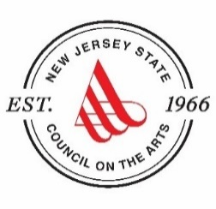

New Jersey State Council on the Arts
Special Initiative Grant Fiscal Year 2023
Lifelong Learning Budget Chart
Lifelong Learning: Line Item Expenditures |  | Amount | Budget Expense Note: Please include descriptions that detail any line items that may not be clearly evident to the reviewer.
*Please list line items and amounts.
Personnel:

Subtotal Personnel: |  | $0

Outside Fees & Services

Subtotal Outside Fees & Services: |  | $0

Other Project Expenses

Subtotal of Other Project Expenditures: |  | $0

TOTAL EXPENSES: |  | $0

Lifelong Learning Project: Income |  | Amount | Budget Income Note: Please include descriptions that detail any line items that may not be clearly evident to the reviewer.

Lifelong Learning Project Funds Requested | 25

Other Funds
*Additional funds are not required. If applicable, please list sources and amounts.

TOTAL INCOME: |  | $0

